UI Mockups
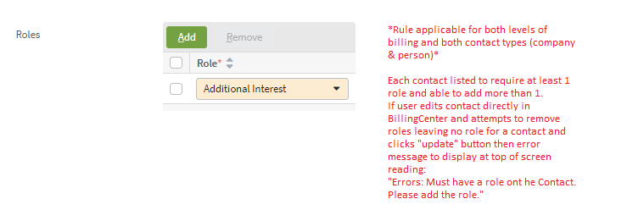
User Story Card - UI Mockup |  |  | *NOTE: baseline is built off of Test Env from 1/2/2020 to encompass what's been developed on screens to date

1. Account Contact screen ; Primary Payer info
Proposed UI |  |  | Baseline (OOTB view)
A) Case when level of billing for selected account = account level |  |  | A) Case when level of billing for selected account = account level
NO CHANGE

B) Case when level of billing for selected account = policy level |  |  | B) Case when level of billing for selected account = policy level
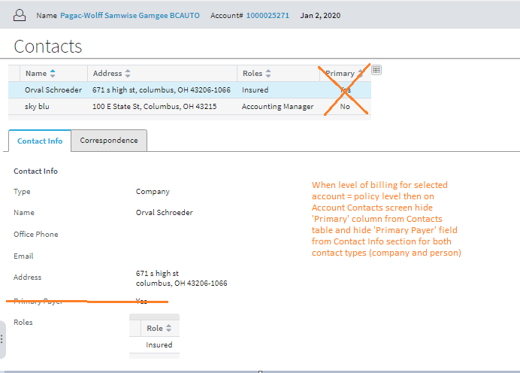

2. Policy Contact screen -> Email
Proposed UI |  |  | Baseline (OOTB view)
A) Case when level of billing for selected account = account level |  |  | A) Case when level of billing for selected account = account level : EDIT MODE
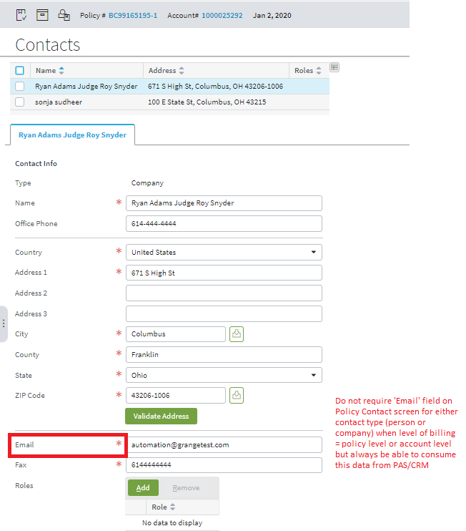
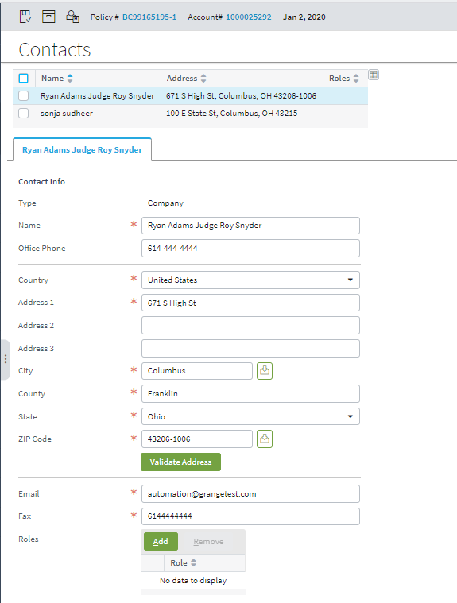

B) Case when level of billing for selected account = policy level : EDIT MODE |  |  | B) Case when level of billing for selected account = policy level : EDIT MODE
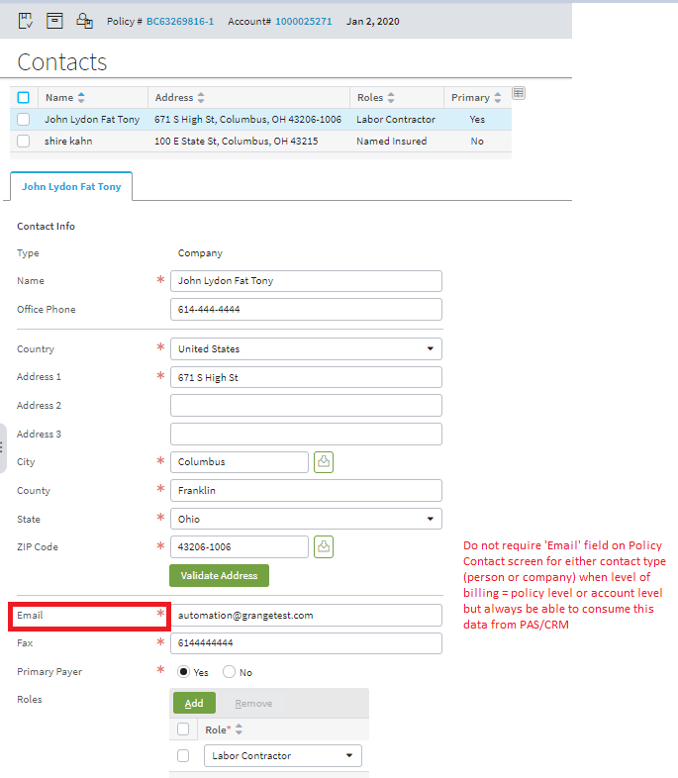
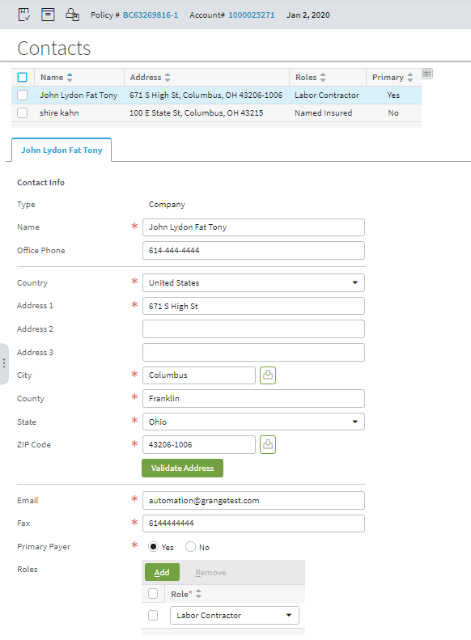

3. Account Contact screen -> Fax
Proposed UI |  |  | Baseline (OOTB view)
A) Case when contact type = person: EDIT MODE |  | **Applicable to both levels of billing** | A) Case when contact type = person: EDIT MODE |  | **Applicable to both levels of billing**
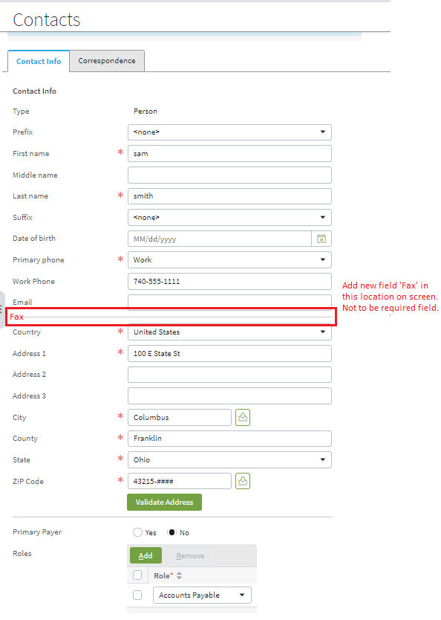
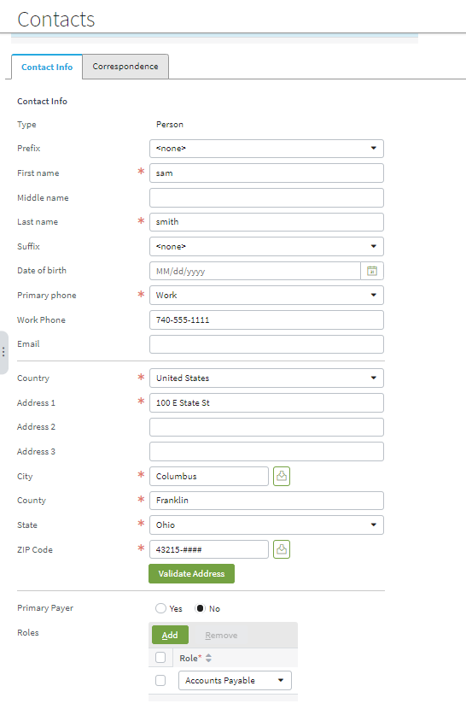

B) Case when contact type = Company: EDIT MODE |  | **Applicable to both levels of billing** | B) Case when contact type = Company: EDIT MODE |  | **Applicable to both levels of billing**
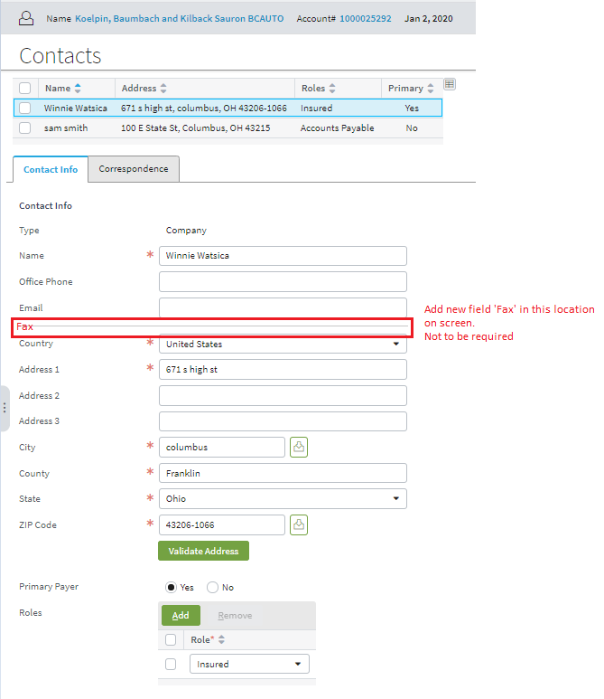
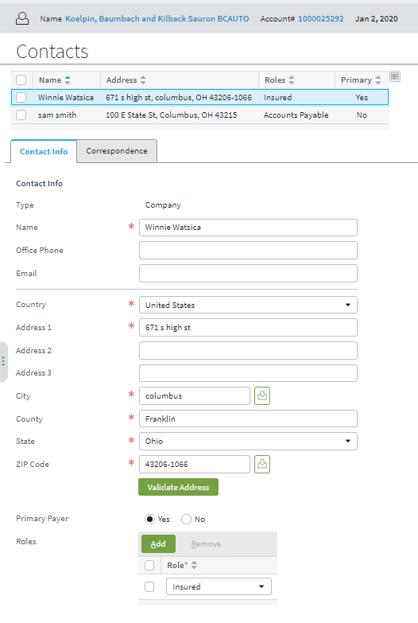

4. Policy Contact screen -> Roles
Proposed UI | **Applicable to both levels of billing and both contact types (person & company)** |  | Baseline (OOTB view) | **Applicable to both levels of billing and both contact types (person & company)**

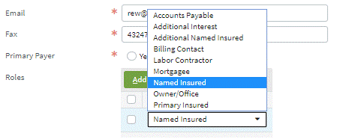

5. Account Contact screen -> Roles typelist
Proposed UI | **Applicable to both levels of billing and both contact types (person & company)** |  | Baseline (OOTB view) | **Applicable to both levels of billing and both contact types (person & company)**
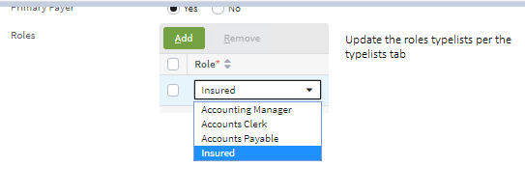
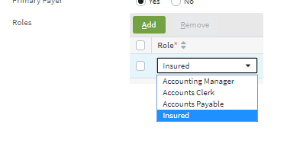

6. Account Contact screen -> Require 1 role per contact at minimum
Proposed UI | **Applicable to both levels of billing and both contact types (person & company)** |  | Baseline (OOTB view) | **Applicable to both levels of billing and both contact types (person & company)**
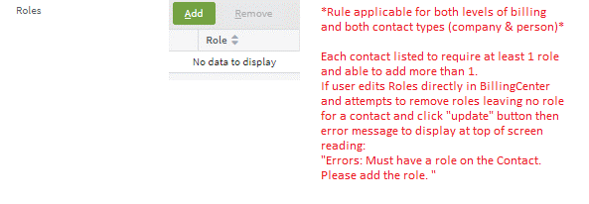

7. Policy Contact screen -> Require 1 role per contact at minimum
Proposed UI | **Applicable to both levels of billing and both contact types (person & company)** |  | Baseline (OOTB view) | **Applicable to both levels of billing and both contact types (person & company)**

